Q&A
Date | Snapshots | Context | Question | Status
2014-12-10 | 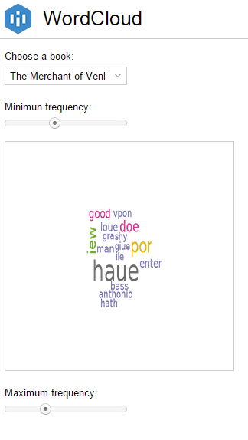 | The field "choose the book" does not show the full name of the selected book | Is it possible to adapt the size of the dropdown list? | in progress
2014-12-10 | 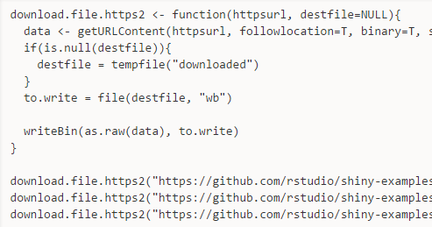 | The file to process is downloaded from GitHub | Where the data is stored? Is this a hosting service Intuitics provide? What is the hosting capacity? How long are the data hosted? What is the service offer associated? | closed
2014-12-10 | 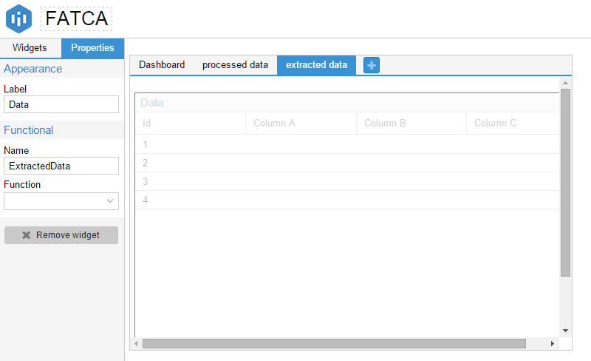 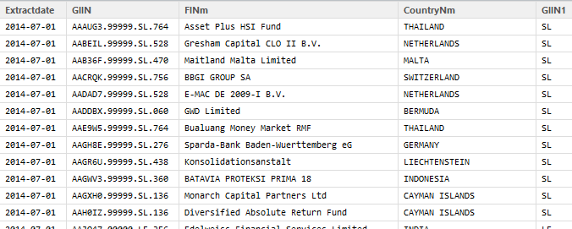 | I would like to upload a set of data and show the data processing: - tab "extract data"= compiles individuals files into one - tab "processed data"= gives a clean view of the data - tab "dashboard" gives a data vizualization view | Extracted data is the result of a preprocessing: - I did a printscreen of the table= View(f15) an pasted it into a printscreen of the application - could you please help me anderstand how to set this up in intuitcics. Is it possible to have information that are not generated from a function? - please ref my code and the Rcode in github | new

Test1-20140912 0800 CH time
Snapshots | Steps | Description

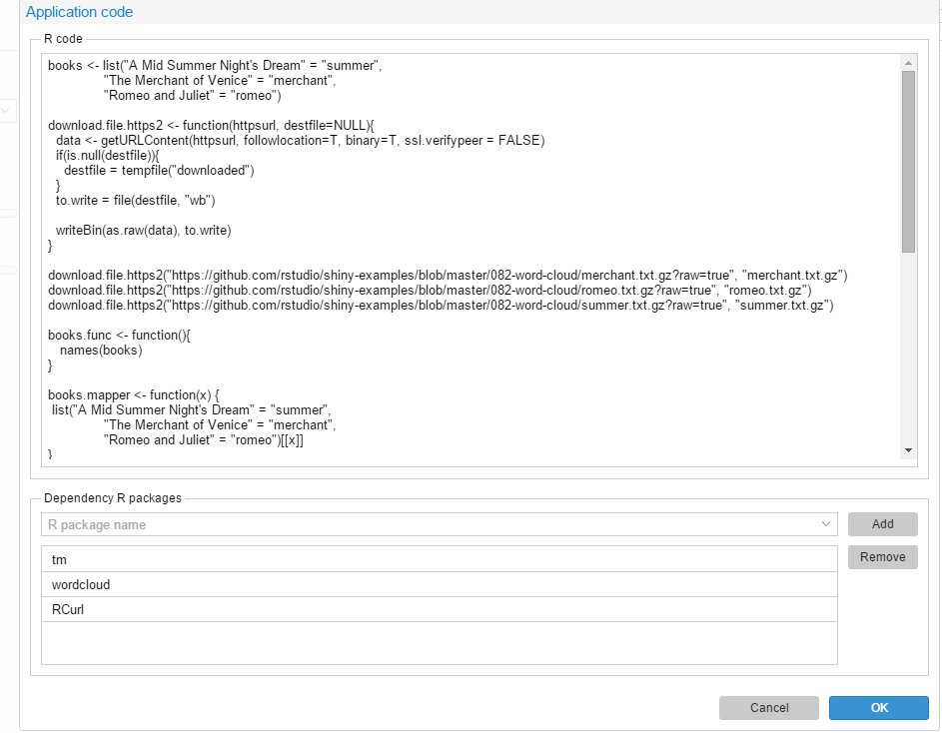

 | 1 | I insert the R code in </code>

 | 2 | I select the packages

 | 3 | I trigger the OK button

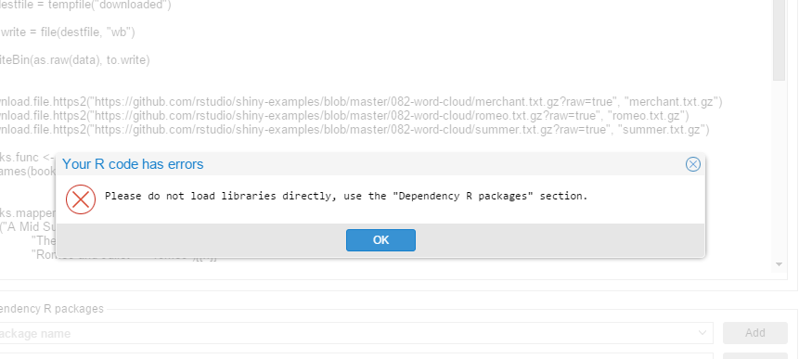

 | RESULT | Error message

